Sheet1
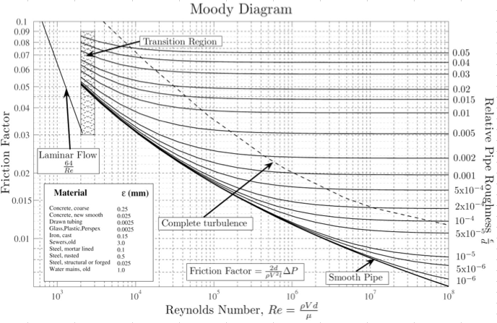
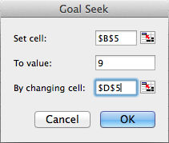
Problem: How to use Goal Seek to solve: |  |  |  | x^2 + x = 9

 | LHS | RHS | x
 | 9.0000186891 | 9 | 2.5413843376

Note: Used goal seek to make the LHS equal to the RHS by changing variable, x.
You must give x an arbitrary # in order for Goal Seek to work!

Problem: Two Reservoirs. Use Goal Seek to find flow

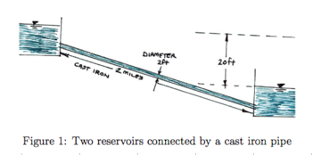
Givens: | hL | 20 | ft
 | D | 2.00 | ft
 | viscosity | 0.0000121 | ft^2/s
 | e | 0.00085 | ft
 | e/D | 4.25E-04 | ft/ft
 | L | 10560 | ft

 |  |  | = 20

1st Iteration - Guessed a Q = 10 cfs
 | LHS | RHS | Q
 | 14.1 | 20 | 10

Note: After assuming Q, I went to the Moody diagram to find f at the calculated Pipe Roughness and Re (based on Q)

 | f | Re
 | 0.017 | 5.26E+05

2nd Iteration - Solve for Q
DON'T copy/paste cells. Copy was made to show change in 1st and 2nd iterations
Used goal seek to make the LHS equal to the RHS by changing variable, x.

 | LHS | RHS | Q
 | 20.0 | 20 | 11.900530382

Note: HAVE TO DOUBLE CHECK f FACTOR!! In Moody Diagram

 | f | Re
 | 0.017 | 6.26E+05

Checks out! f is still approximately 0.017. Answer is accurate

